Sheet1
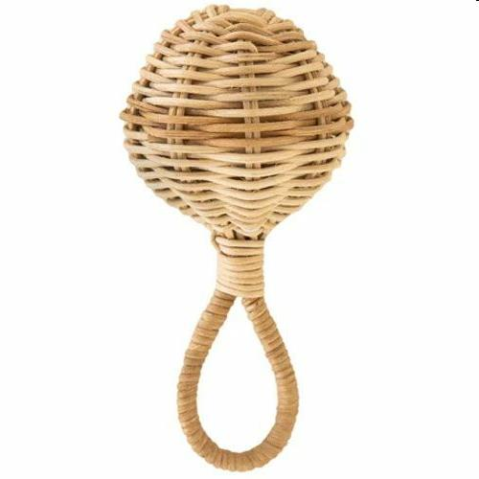
Picture | Item code | Description | Extra information | Restriction | Stock | Sales price EXW | Retail price | Barcode | Quantity PU | Quantity pallet | Pallet | Origin | Customs code | Item weight | Languages on package | Group
 | 21101 | Olli Ella Nursery, Raya Rattle 15x7xD7cm | OEBCHA-RAY-ST-O |  | 379 | 1.5 | 19.95 | 9353515003112 | 32 | 2048 | Europallet 120x80 | RC | 4601211000 | 200 |  | Olli Ella Nursery

